main
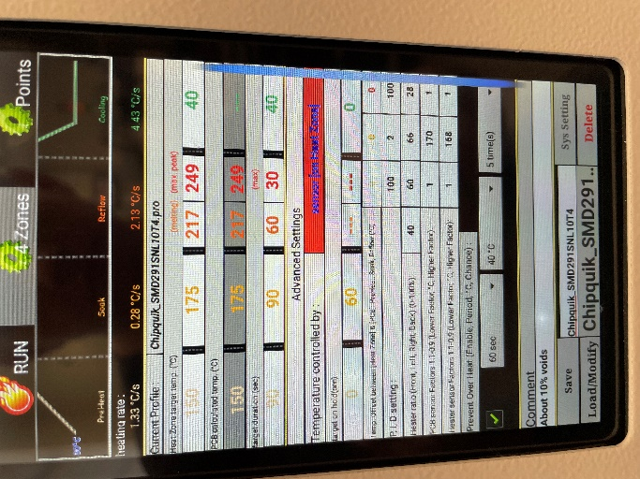
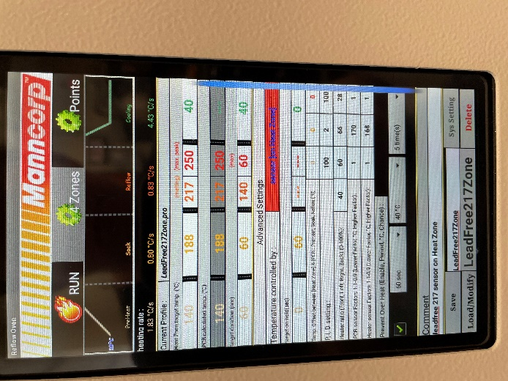
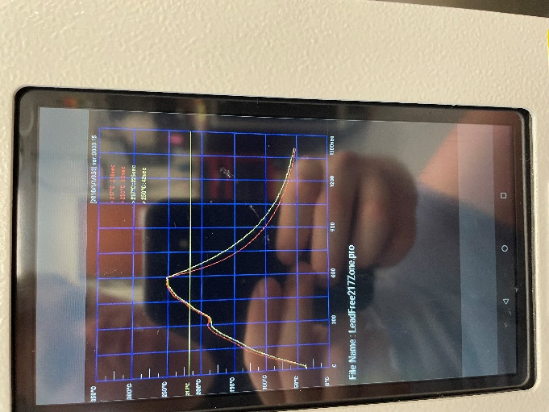
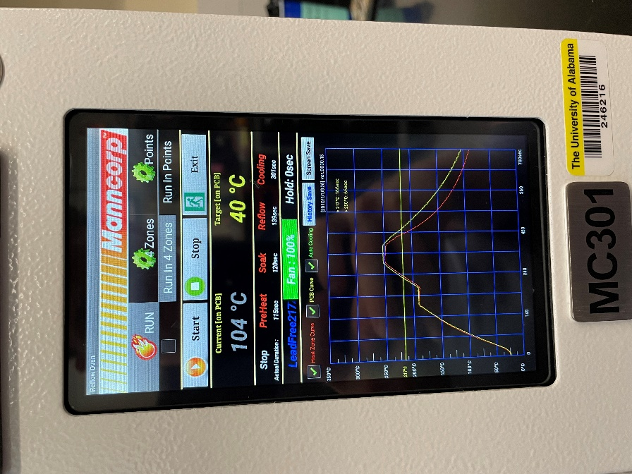
Group Letter | Quantity | Solder | Pre-solder zestron time | Post-solder zestron time | Solder profile | Bond method | Wire | Parameters | Notes
L | 5 | Chipquik SMD291SNL10T4 | NA | NA | LeadFree217Zone | Manual | 250u TANW 10143801 09 | NA
C | 5 | Chipquik SMD291SNL10T5 | NA | NA | Chipquik_SMD291SNL10T4 | Manual | 250u TANW 10143801 10 | NA
A | 5 | Chipquik SMD291SNL10T6 | 48hr | 2.5 hr | LeadFree217Zone2 | Manual | 250u TANW 10143801 11 | 1st bond: time=10, pwr=3-0, 2nd bond: time=7, pwr=3-0 | heater still maxxed out during preheat and reflow, and a bit during soak
B | 5 | Indalloy 256 with INDIUM8.9HF flux | 0hr | 2hr | LeadFree217Zone3 | automatic |  |  | Used method where the solder was deposited first, and then the chip
D | 5 | Indalloy 256 with INDIUM8.9HF flux | 0 hr | 2 hr | LeadFree217Zone4 | automatic

